Q2
Question 2 ) | Generate 100 values in Excel using the continuous uniform distribution RAND() and plot a histogram.
 | Describe the shape of the distribution.

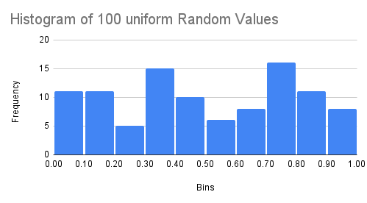
Answer | STEP 1 : Generate 100 random values | STEP 2 : Insert a Histogram
 | Drag it down until you have 100 rows filled.

 | Each value will be between 0 and 1, drawn from a continuous uniform distribution.

 | 0.08062459029
 | 0.1857957585
 | 0.78845314
 | 0.1095047515
 | 0.7742962848
 | 0.3377413973
 | 0.6888549312
 | 0.743430813
 | 0.1079345125
 | 0.7016840408
 | 0.4638796568 | SHAPE OF A HISTOGRAM
 | 0.7204255293
 | 0.1972848143 | The histogram shows a nearly flat distribution, consistent with the uniform distribution between 0 and 1.
 | 0.3255042817 | Minor fluctuations are due to the limited sample size (100 values).”
 | 0.07607810394
 | 0.7139614935 | Rectangular shape: Each bin (interval) has roughly the same frequency, giving the histogram a rectangular/flat profile.
 | 0.1207020442
 | 0.8743887082 | Small fluctuations: Because you only generated 100 values, some bins may be slightly taller or shorter. These are just random sampling variations.
 | 0.2940742391
 | 0.5647355588 | Trend with larger samples: If you increase the sample size (e.g., 1,000 or 10,000), the histogram will smooth out and look even more flat.
 | 0.7634983944
 | 0.7560239217 | Uniform distribution: The values are drawn from a continuous uniform distribution between 0 and 1, so the histogram should
 | 0.7720306126 |  | look approximately flat across the bins.
 | 0.9938283355
 | 0.825435584
 | 0.02484802098
 | 0.3173587484
 | 0.9883079797
 | 0.8923927635
 | 0.3142914419
 | 0.7501472924
 | 0.1145579013
 | 0.8921866612
 | 0.5351969242
 | 0.6298509095
 | 0.08199066131
 | 0.8297163768
 | 0.974116104
 | 0.6531039023
 | 0.8534434217
 | 0.4280501593
 | 0.7269379435
 | 0.711091775
 | 0.4784325172
 | 0.1897667452
 | 0.1113122548
 | 0.4357356808
 | 0.6115784874
 | 0.4368096579
 | 0.8155892395
 | 0.5610133442
 | 0.3708946922
 | 0.08730744127
 | 0.06250374982
 | 0.5790619613
 | 0.7892661715
 | 0.284258908
 | 0.992590917
 | 0.9802777697
 | 0.6173279933
 | 0.5036769808
 | 0.8053274402
 | 0.832447806
 | 0.6470849116
 | 0.4387309197
 | 0.9352508779
 | 0.5760194969
 | 0.04299753719
 | 0.7816209421
 | 0.6858167468
 | 0.6909342877
 | 0.3908922888
 | 0.006365816721
 | 0.295511501
 | 0.325021359
 | 0.3049360353
 | 0.3933782267
 | 0.3687467842
 | 0.0647684144
 | 0.4690482176
 | 0.8306486022
 | 0.9683184608
 | 0.7763561141
 | 0.9315070709
 | 0.3765533218
 | 0.4367219466
 | 0.8481639177
 | 0.3201384691
 | 0.1757483856
 | 0.1903725109
 | 0.2255244395
 | 0.4003593046
 | 0.08230517887
 | 0.3137876482
 | 0.344324472
 | 0.05947997383
 | 0.2631899686
 | 0.7700462997
 | 0.4421209379
 | 0.3680531476
 | 0.1303843519

Q3
Question 3 ) | A dataset has a mean of 50 and a standard deviation of 5. What percentage of values lie between 45 and
 | 55 if the data follows a normal distribution?

Answer | Given | Step 1: Convert to Z-scores

 | Mean (μ) = 50 | We calculate how many standard deviations away 45 and 55 are from the mean:

 | Standard deviation (σ) = 5 | Z=X−μ/σ

 | Interval: 45 to 55 | For X=45:
 |  | Z=45−505=−1

 |  | For X=55:
 |  | Z=55−505=+1

 |  | So the interval 45–55 corresponds to Z between -1 and +1.

 | Step 2: Use the Empirical Rule

 | In a normal distribution, about 68% of values lie within 1 standard deviation of the mean.

 | That means between 45 and 55, approximately 68% of the data will fall.

 | Final Answer

 | About 68% of the values lie between 45 and 55 in a normal distribution.

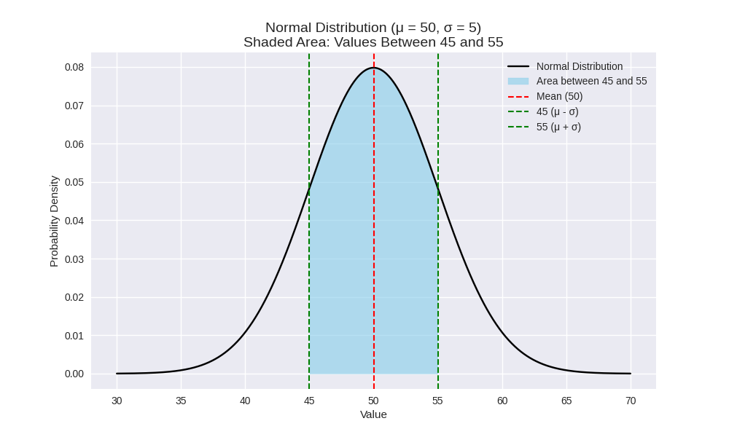
 |  |  | Interpretation of the Graph

 |  |  | The bell curve shows the normal distribution centered at 50.

 |  |  | The shaded region between 45 and 55 represents
 |  |  | the values within one standard deviation.
 |  |  | This shaded area covers about 68% of the total probability mass.

